Template Audit Score
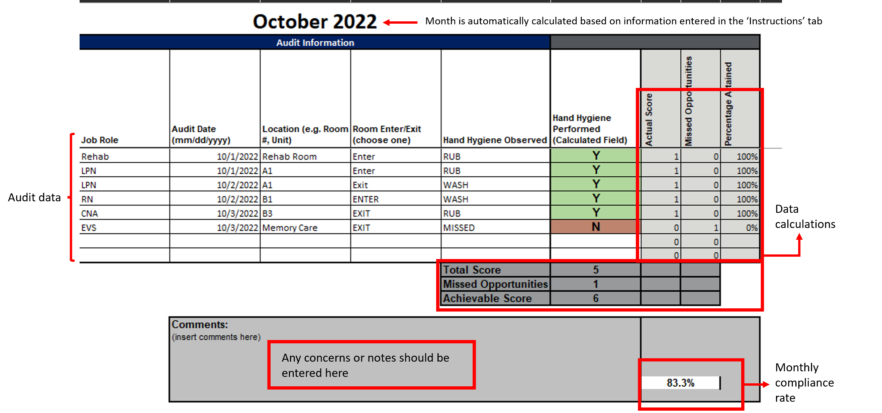

Summary Statistics
Reporting Month |  | Month_1 | Month_2 | Month_3 | Month_4 | Month_5 | Month_6 | Month_7 | Month_8 | Month_9 | Month_10 | Month_11 | Month_12
 |  | Month_1 | Month_2 | Month_3 | Month_4 | Month_5 | Month_6 | Month_7 | Month_8 | Month_9 | Month_10 | Month_11 | Month_12
Hand Hygiene COMPLIANCE | # of Audits Conducted | 0 | 0 | 0 | 0 | 0 | 0 | 0 | 0 | 0 | 0 | 0 | 0
 | Hand Hygiene Compliance Rate | #N/A | #N/A | #N/A | #N/A | #N/A | #N/A | #N/A | #N/A | #N/A | #N/A | #N/A | #N/A
 | Average # Missed Opportunities per Audit | #N/A | #N/A | #N/A | #N/A | #N/A | #N/A | #N/A | #N/A | #N/A | #N/A | #N/A | #N/A

 | GOAL RATE: | #N/A | #N/A | #N/A | #N/A | #N/A | #N/A | #N/A | #N/A | #N/A | #N/A | #N/A | #N/A
Hand Hygiene Compliance Rate by Month
Average # Missed Opportunities per Audit by Month

 |  | #N/A |  |  |  |  | #N/A |  |  |  |  | #N/A
SELECT MONTHS FOR COMPARISON →
WEEKLY (Su - Sa) RATES | Start of Week
 | End of Week
Hand Hygiene COMPLIANCE | # of Audits Conducted | #N/A | #N/A | #N/A | #N/A | #N/A | #N/A | #N/A | #N/A | #N/A | #N/A | #N/A | #N/A | #N/A | #N/A | #N/A
 | # of Missed Opportuntities | #N/A | #N/A | #N/A | #N/A | #N/A | #N/A | #N/A | #N/A | #N/A | #N/A | #N/A | #N/A | #N/A | #N/A | #N/A
 | Average # Missed Opportunities per Audit | #N/A | #N/A | #N/A | #N/A | #N/A | #N/A | #N/A | #N/A | #N/A | #N/A | #N/A | #N/A | #N/A | #N/A | #N/A
NUMBER OF MISSED OPPORTUNITIES | Hand Hygiene Performed | #N/A | #N/A | #N/A | #N/A | #N/A | #N/A | #N/A | #N/A | #N/A | #N/A | #N/A | #N/A | #N/A | #N/A | #N/A

Average # Missed Opportunities per Audit by Week
 |  | - | - | - | - | - | - | - | - | - | - | - | - | - | - | -

Select Job Role:
HH RATES BY JOB ROLE:
Reporting Month |  | Month_1 | Month_2 | Month_3 | Month_4 | Month_5 | Month_6 | Month_7 | Month_8 | Month_9 | Month_10 | Month_11 | Month_12
 |  | Month_1 | Month_2 | Month_3 | Month_4 | Month_5 | Month_6 | Month_7 | Month_8 | Month_9 | Month_10 | Month_11 | Month_12
Hand Hygiene COMPLIANCE | # of Audits Conducted | 0 | 0 | 0 | 0 | 0 | 0 | 0 | 0 | 0 | 0 | 0 | 0
 | Hand Hygiene Compliance Rate | #N/A | #N/A | #N/A | #N/A | #N/A | #N/A | #N/A | #N/A | #N/A | #N/A | #N/A | #N/A
 | Total Achievable Score | N/A | N/A | N/A | N/A | N/A | N/A | N/A | N/A | N/A | N/A | N/A | N/A
 | Total Completed Opportunities | 0 | 0 | 0 | 0 | 0 | 0 | 0 | 0 | 0 | 0 | 0 | 0
 | Total # of Missed Opportunities | #N/A | #N/A | #N/A | #N/A | #N/A | #N/A | #N/A | #N/A | #N/A | #N/A | #N/A | #N/A
 | Average # of Missed Opportunitites | #N/A | #N/A | #N/A | #N/A | #N/A | #N/A | #N/A | #N/A | #N/A | #N/A | #N/A | #N/A
NUMBER OF MISSED OPPORTUNITIES | Hand Hygiene Performed | #N/A | #N/A | #N/A | #N/A | #N/A | #N/A | #N/A | #N/A | #N/A | #N/A | #N/A | #N/A
Hand Hygiene Compliance Rate for Role:
Hand Hygiene Compliance Rate for Role:
Average # Missed Hand Hygiene Opportunities per Audit for Role:
Average # Missed Hand Hygiene Opportunities per Audit for Role:

