Template Audit Score
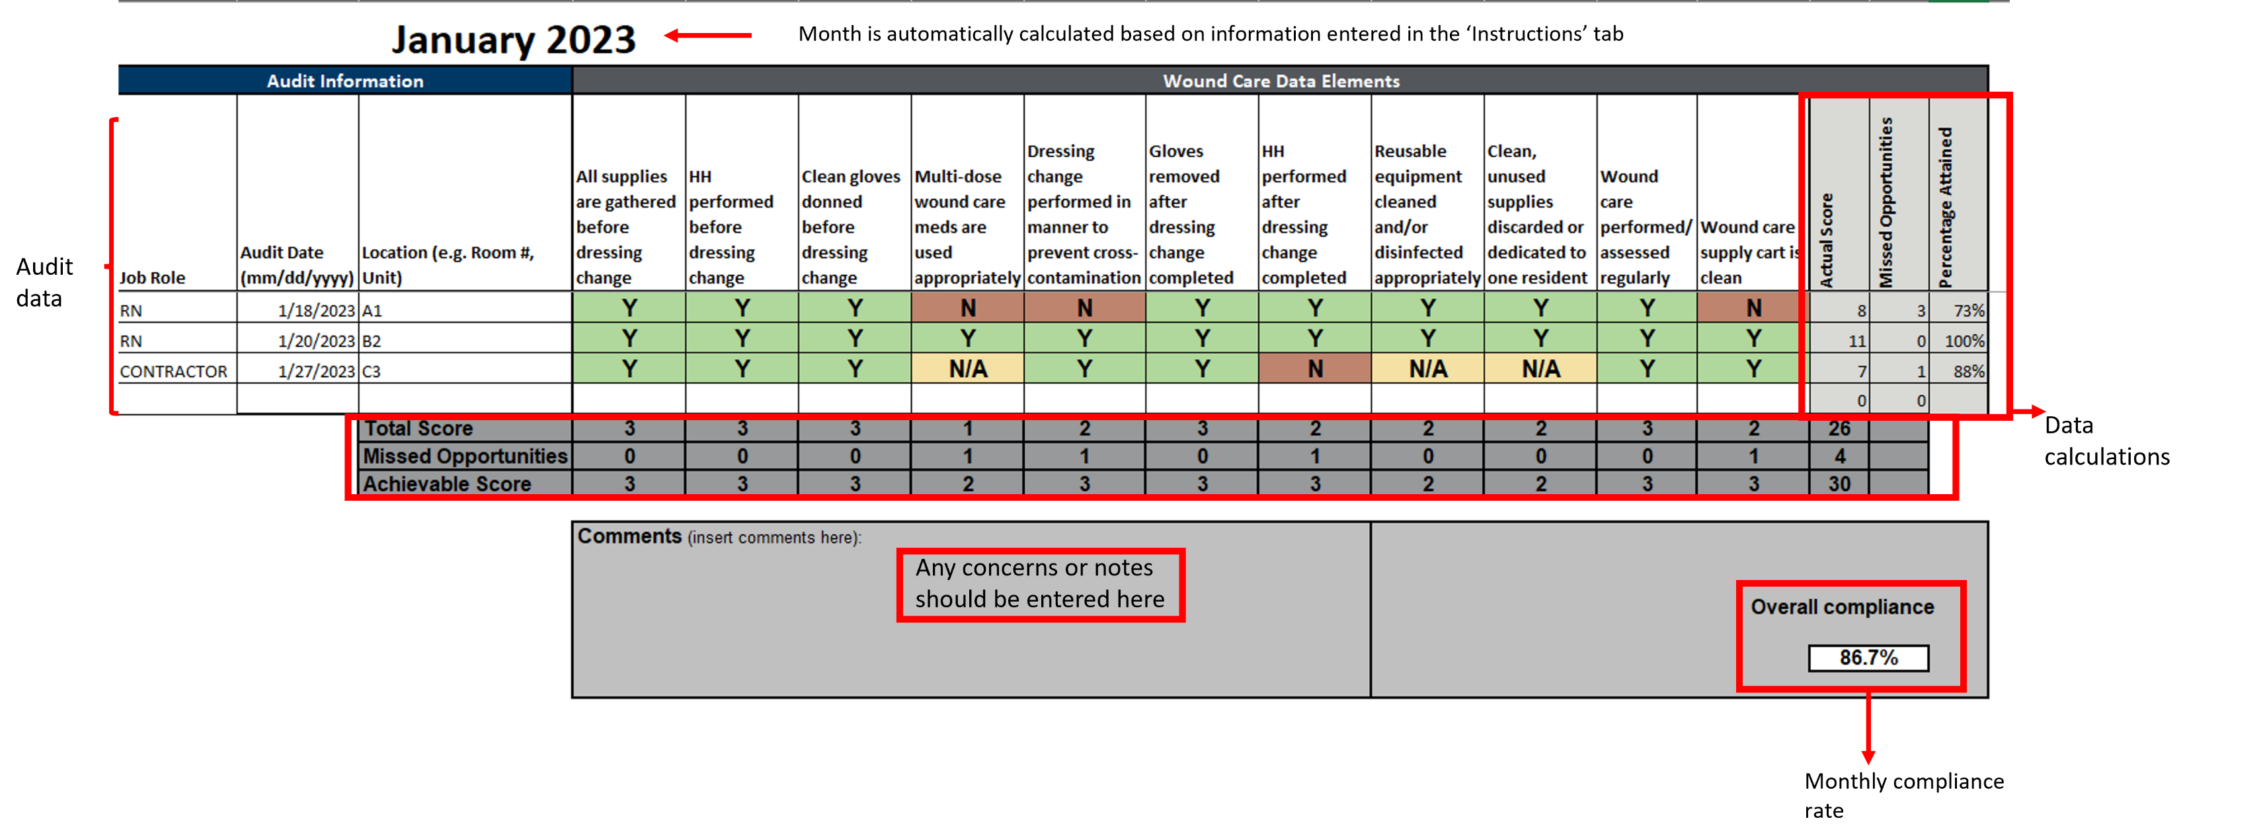

Summary Statistics
Reporting Month |  | Month_1 | Month_2 | Month_3 | Month_4 | Month_5 | Month_6 | Month_7 | Month_8 | Month_9 | Month_10 | Month_11 | Month_12
 |  | Month_1 | Month_2 | Month_3 | Month_4 | Month_5 | Month_6 | Month_7 | Month_8 | Month_9 | Month_10 | Month_11 | Month_12
Wound Care COMPLIANCE | # of Audits Conducted | 0 | 0 | 0 | 0 | 0 | 0 | 0 | 0 | 0 | 0 | 0 | 0
 | Wound Care Compliance Rate | #N/A | #N/A | #N/A | #N/A | #N/A | #N/A | #N/A | #N/A | #N/A | #N/A | #N/A | #N/A
 | Average # Missed Opportunities per Audit | #N/A | #N/A | #N/A | #N/A | #N/A | #N/A | #N/A | #N/A | #N/A | #N/A | #N/A | #N/A

Wound Care Compliance Rate by Month
Average # Missed Wound Care Opportunities per Audit by Month
 | GOAL RATE: | #N/A | #N/A | #N/A | #N/A | #N/A | #N/A | #N/A | #N/A | #N/A | #N/A | #N/A | #N/A

 |  | #N/A |  |  |  |  | #N/A |  |  |  |  | #N/A
SELECT MONTHS FOR COMPARISON →
WEEKLY (Su - Sa) RATES | Start of Week
 | End of Week
Wound Care COMPLIANCE | # of Audits Conducted | #N/A | #N/A | #N/A | #N/A | #N/A | #N/A | #N/A | #N/A | #N/A | #N/A | #N/A | #N/A | #N/A | #N/A | #N/A
 | # of Missed Opportuntities | #N/A | #N/A | #N/A | #N/A | #N/A | #N/A | #N/A | #N/A | #N/A | #N/A | #N/A | #N/A | #N/A | #N/A | #N/A
 | Average # Missed Opportunities per Audit | #N/A | #N/A | #N/A | #N/A | #N/A | #N/A | #N/A | #N/A | #N/A | #N/A | #N/A | #N/A | #N/A | #N/A | #N/A
NUMBER OF MISSED OPPORTUNITIES BY DATA ELEMENTS | All supplies are gathered before dressing change | #N/A | #N/A | #N/A | #N/A | #N/A | #N/A | #N/A | #N/A | #N/A | #N/A | #N/A | #N/A | #N/A | #N/A | #N/A
 | HH performed before dressing change | #N/A | #N/A | #N/A | #N/A | #N/A | #N/A | #N/A | #N/A | #N/A | #N/A | #N/A | #N/A | #N/A | #N/A | #N/A
 | Clean gloves donned before dressing change | #N/A | #N/A | #N/A | #N/A | #N/A | #N/A | #N/A | #N/A | #N/A | #N/A | #N/A | #N/A | #N/A | #N/A | #N/A
 | Multi-dose wound care meds are used appropriately | #N/A | #N/A | #N/A | #N/A | #N/A | #N/A | #N/A | #N/A | #N/A | #N/A | #N/A | #N/A | #N/A | #N/A | #N/A
 | Dressing change performed in manner to prevent cross-contamination | #N/A | #N/A | #N/A | #N/A | #N/A | #N/A | #N/A | #N/A | #N/A | #N/A | #N/A | #N/A | #N/A | #N/A | #N/A
 | Gloves removed after dressing change completed | #N/A | #N/A | #N/A | #N/A | #N/A | #N/A | #N/A | #N/A | #N/A | #N/A | #N/A | #N/A | #N/A | #N/A | #N/A
 | HH performed after dressing change completed | #N/A | #N/A | #N/A | #N/A | #N/A | #N/A | #N/A | #N/A | #N/A | #N/A | #N/A | #N/A | #N/A | #N/A | #N/A
 | Reusable equipment cleaned and/or disinfected appropriately | #N/A | #N/A | #N/A | #N/A | #N/A | #N/A | #N/A | #N/A | #N/A | #N/A | #N/A | #N/A | #N/A | #N/A | #N/A
 | Clean, unused supplies discarded or dedicated to one resident | #N/A | #N/A | #N/A | #N/A | #N/A | #N/A | #N/A | #N/A | #N/A | #N/A | #N/A | #N/A | #N/A | #N/A | #N/A
 | Wound care performed/assessed regularly | #N/A | #N/A | #N/A | #N/A | #N/A | #N/A | #N/A | #N/A | #N/A | #N/A | #N/A | #N/A | #N/A | #N/A | #N/A
 | Wound care supply cart is clean | #N/A | #N/A | #N/A | #N/A | #N/A | #N/A | #N/A | #N/A | #N/A | #N/A | #N/A | #N/A | #N/A | #N/A | #N/A

Average # Missed Wound Care Opportunities per Audit by Week
 |  | - | - | - | - | - | - | - | - | - | - | - | - | - | - | -

Select Job Role:
WOUND CARE RATES BY JOB ROLE:
Reporting Month |  | Month_1 | Month_2 | Month_3 | Month_4 | Month_5 | Month_6 | Month_7 | Month_8 | Month_9 | Month_10 | Month_11 | Month_12
 |  | Month_1 | Month_2 | Month_3 | Month_4 | Month_5 | Month_6 | Month_7 | Month_8 | Month_9 | Month_10 | Month_11 | Month_12
Wound Care COMPLIANCE BY ROLE | # of Audis Conducted | 0 | 0 | 0 | 0 | 0 | 0 | 0 | 0 | 0 | 0 | 0 | 0
 | Wound Care Compliance Rate | #N/A | #N/A | #N/A | #N/A | #N/A | #N/A | #N/A | #N/A | #N/A | #N/A | #N/A | #N/A
 | Total Achievable Score | N/A | N/A | N/A | N/A | N/A | N/A | N/A | N/A | N/A | N/A | N/A | N/A
 | Total Completed Opportunities | 0 | 0 | 0 | 0 | 0 | 0 | 0 | 0 | 0 | 0 | 0 | 0
 | Total # of Missed Opportunities | #N/A | #N/A | #N/A | #N/A | #N/A | #N/A | #N/A | #N/A | #N/A | #N/A | #N/A | #N/A
 | Average # of Missed Opportunitites | #N/A | #N/A | #N/A | #N/A | #N/A | #N/A | #N/A | #N/A | #N/A | #N/A | #N/A | #N/A
NUMBER OF MISSED OPPORTUNITIES BY DATA ELEMENTS | All supplies are gathered before dressing change | #N/A | #N/A | #N/A | #N/A | #N/A | #N/A | #N/A | #N/A | #N/A | #N/A | #N/A | #N/A
 | HH performed before dressing change | #N/A | #N/A | #N/A | #N/A | #N/A | #N/A | #N/A | #N/A | #N/A | #N/A | #N/A | #N/A
 | Clean gloves donned before dressing change | #N/A | #N/A | #N/A | #N/A | #N/A | #N/A | #N/A | #N/A | #N/A | #N/A | #N/A | #N/A
 | Multi-dose wound care meds are used appropriately | #N/A | #N/A | #N/A | #N/A | #N/A | #N/A | #N/A | #N/A | #N/A | #N/A | #N/A | #N/A
 | Dressing change performed in manner to prevent cross-contamination | #N/A | #N/A | #N/A | #N/A | #N/A | #N/A | #N/A | #N/A | #N/A | #N/A | #N/A | #N/A
 | Gloves removed after dressing change completed | #N/A | #N/A | #N/A | #N/A | #N/A | #N/A | #N/A | #N/A | #N/A | #N/A | #N/A | #N/A
 | HH performed after dressing change completed | #N/A | #N/A | #N/A | #N/A | #N/A | #N/A | #N/A | #N/A | #N/A | #N/A | #N/A | #N/A
 | Reusable equipment cleaned and/or disinfected appropriately | #N/A | #N/A | #N/A | #N/A | #N/A | #N/A | #N/A | #N/A | #N/A | #N/A | #N/A | #N/A
 | Clean, unused supplies discarded or dedicated to one resident | #N/A | #N/A | #N/A | #N/A | #N/A | #N/A | #N/A | #N/A | #N/A | #N/A | #N/A | #N/A
 | Wound care performed/assessed regularly | #N/A | #N/A | #N/A | #N/A | #N/A | #N/A | #N/A | #N/A | #N/A | #N/A | #N/A | #N/A
 | Wound care supply cart is clean | #N/A | #N/A | #N/A | #N/A | #N/A | #N/A | #N/A | #N/A | #N/A | #N/A | #N/A | #N/A
Wound Care Compliance Rate for Role:
Wound Care Compliance Rate for Role:
Average # Missed Wound Care Opportunities per Audit for Role:
Average # Missed Wound Care Opportunities per Audit for Role:

