Instructions
Budget Template Instructions

Please read these instructions carefully. There are 4 tabs on this workbook (refer to the bottom of the spreadsheet to identify the different tabs). |  |  |  |  |  |  | 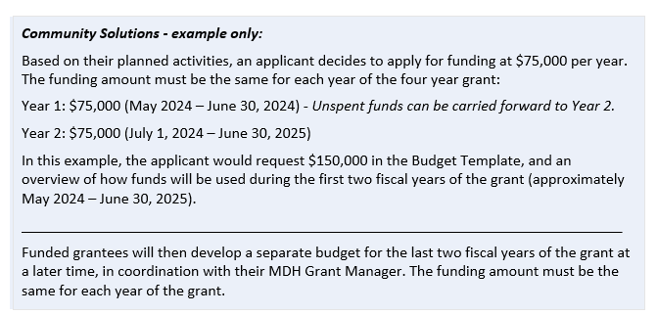 Ineligible Expenses Unallowable budget expenses include, but are not limited to: • Any expenses that do not directly contribute to the activities in the work plan • Any individual piece of equipment that costs more than $5,000 • Bad debts, late payment fees, finance charges, or contingency funds • Capital improvements or alterations • Cash assistance paid directly to individuals to meet their personal or family need • Fundraising • Lobbyists, political contributions • Ongoing medical care or treatment of disease(s) or disability • Paying rent or other bills for community members • Purchase of vehicle(s) for program use • Taxes, except sales tax on goods and services
Tab 1: Instructions (this tab)
Tab 2: MDH Policy and Guidance on Indirect Costs
Tab 3: Itemized Budget (this tab to be completed by applicant)
Tab 4: Budget Summary (this tab automatically fills information from tab 3)

Tabs 3 Instructions: Please complete all white cells with anticipated expenses over the grant period. Shaded cells will autocalculate. Each budget category should include all anticipated expenses over the budget period (grant start day through June 30, 2025). This budget should represent your best anticipation of needed expenses at this time. However, budgets may be revised (with approval from your grant manager) at a later date if anticipated expenses change. Per MDH policy, grantees may modify any line item in the most recently agreed-upon budget by up to 10 percent without prior written approval from MDH. Grantees must notify MDH of any modifications up to 10 percent in writing no later than the next invoice. Grantees must obtain prior written approval from MDH for line-item modifications greater than 10 percent. A grantee’s failure to obtain MDH’s prior approval may result in denial of modification request, loss of funds, or both.

Sample Budget:
Salary & Fringe
Staff position | Staff Name |  | Salary Charged to Grant | % Fringe (if applicable) | Fringe Total (if applicable) | Line Total
Project Manager | Aisha Mohamed |  | $50,000.00 | 17.64% | $8,820.00 | $58,820.00
Training Coordinator | Andre Baker |  | $30,000.00 | 17.64% | $5,292.00 | $35,292.00
Intern | Vang Lee |  | $18,000.00 | 0.00% | $- | $18,000.00
Total for Salary & Fringe |  |  |  |  |  | $112,112.00

Contractual Services (facilitators, evaluators, speakers, trainers, etc.)
General Funds
Subcontractor |  | Description of Service Provided & Timeline |  |  |  | Total
Elder Wisdom Coalition |  | 6 month contract for 2 Circle Keepers ($5,000 x 2) |  |  |  | $10,000.00
Social Media and Graphic Design services (contractor TBD) |  | 13 month contract for creating compelling messages and media regarding the [ABC] program |  |  |  | $6,000.00
 |  |  |  |  | Total for Contractual | $16,000.00

Travel (mileage, parking, per diem, lodging, etc.)
General Funds
Purpose of Travel and/or Description |  |  |  |  |  | Total
Mileage reimbursement for 2 staff to travel to community engagement events |  |  |  |  |  | $725.00
 |  |  |  |  | Total for Travel | $725.00

Supplies (office supplies, program supplies, mailing, etc.)
General Funds
Description |  |  |  | Quantity | Unit Cost | Total
Software renewals: Microsoft 365, Adobe Professional, Zoom, Bluehost (for website) |  |  |  | 1 | $350.00 | $350.00
Program and participant supplies: such as training bins, educational materials, bluetooth speaker |  |  |  | 1 | $347.00 | $347.00
A set of CPR/AED & First Aid Training equipment |  |  |  | 1 | $1,900.00 | $1,900.00
Office supplies for 2 staff members: such as file folders, toner, jump drive, printing paper, binders. |  |  |  | 2 | $125.00 | $250.00
 |  |  |  |  | Total for Supplies | $2,847.00

Other (staff training, conference fees, media expenses, etc.)
General Funds
Description |  |  |  | Quantity | Unit Cost | Total
Continuing education for two staff: participating in annual statewide conference for [ABC topic] |  |  |  | 2 | $475.00 | $950.00
Professional development for 2 staff to maintain "Trainer the Trainer" credentials for the [DEF] program |  |  |  | 2 | $950.00 | $1,900.00
Curriculum with online suppports, participant workbooks and toolkits [XYZ topic] |  |  |  | 2 | $915.00 | $1,830.00
 |  |  |  |  | Total for Other | $4,680.00

 |  |  |  |  | Budget Subtotal (direct costs) | $136,364.00

Indirect Costs
Description of costs included in indirect cost pool (if no federally-negotiated rate) |  |  |  |  |  | Rate*
Covers annual audit, accounting, tax preparation, utilities, payroll processing fees, insurance |  |  |  |  |  | 10%
*10% or less, or federally-negotiated rate |  |  |  |  | Total for Indirect | $13,636.40

 |  |  |  |  | Total Budget | $150,000

